D1
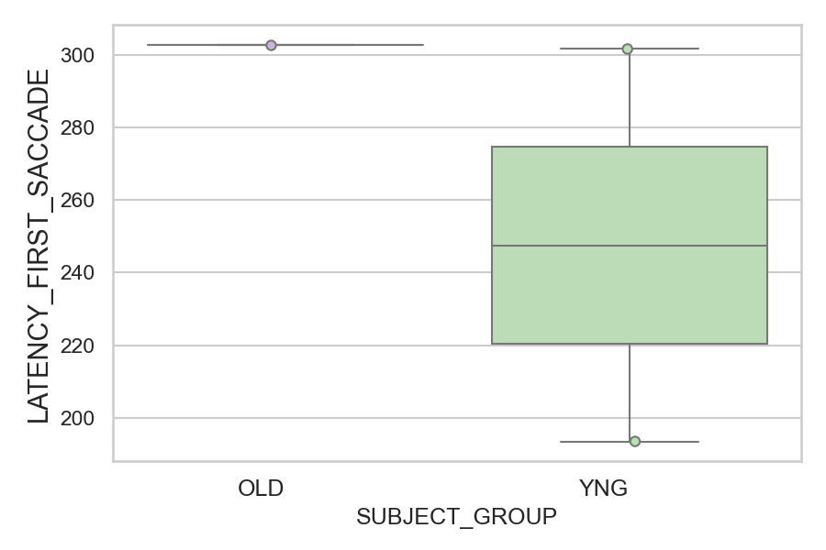
Latency of the first saccade after target onset regardless of its direction (ms)(mean latency of all trials per subject)
SUBJECT_NAME | SUBJECT_GROUP | SUBJECT_AGE | VALUE
CP001CTA | OLD | 65 | 302.85714286
AW002AF | YNG | 19 | 301.64285714
AW001CG | YNG | 19 | 193.5

D1 (types)
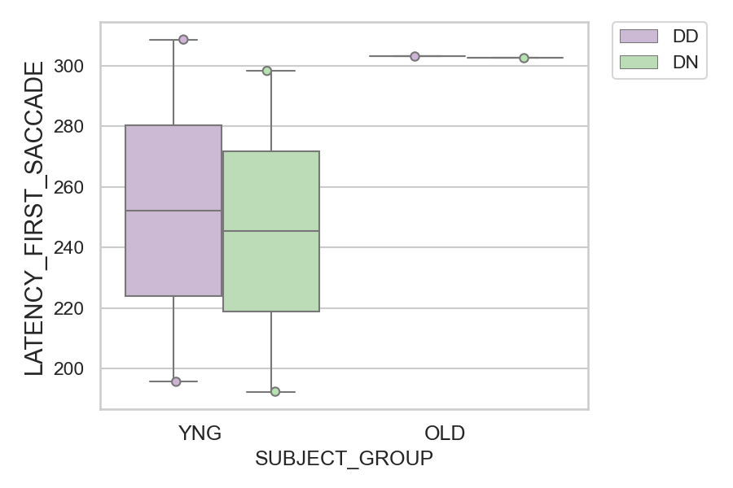
Latency of the first saccade after target onset regardless of its direction (ms)(mean latency of all trials per subject)
SUBJECT_NAME | SUBJECT_GROUP | CONDITION_APPEARANCE | SUBJECT_AGE | VALUE
AW002AF | YNG | DD | 19 | 308.66666667
CP001CTA | OLD | DD | 65 | 303.11111111
CP001CTA | OLD | DN | 65 | 302.73684211
AW002AF | YNG | DN | 19 | 298.31578947
AW001CG | YNG | DD | 19 | 195.6
AW001CG | YNG | DN | 19 | 192.33333333

